Control_Surfaces
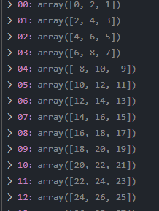
Control Surfaces NOTE: Do surfaces in this order ( Wings, Hstab, Vstab)
Ref # | Hinge Coord Loaction | control_surface_type | control_surface_chord (%) | deflection_start (radians) | Start_X_Con (m) | Start_Y_Con (m) | Start_Z_Con (m) | deflection_end (radians) | End_X_Con (m) | End_Y_Con (m) | End_Z_Con (m) | Sym_Con | HSTAB
1 | 0 | 0 | 0.25 | 0 | 0 | 0 | 0 | 0 | 0 | 1 | 0 | yes | yes

